Effect of SP500 on Reynolds
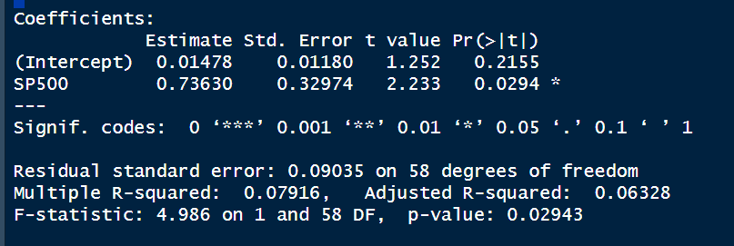
Regression |  |  |  |  |  | ANOVA | df | SS | MS | F | Significance of F
DV = Reynolds | Estimate | Std. Error | t value | Pr(>|t|) | * | Regression | 1 | 0.04071 | 0.040706 | 4.9861 | 0.02943
(Intercept) | 0.01478 | 0.0118 | 1.252 | 0.2155 |  | Residual | 58 | 0.47351 | 0.008164
SP500 | 0.7363 | 0.32974 | 2.233 | 0.0294 |  | Total | 59 | 0.51422 | 0.04887

R-square | 0.079
Adj R-square | 0.063
Std error | 0.09035

Regression equation: |  |  |  |  |  |  |  |  |  |  | Observations based on Model:
REYNOLDS returns= 0.01478+0.7363*(SP500 RETURNS) |  |  |  |  |  |  |  |  |  |  | There is a slight positive relationship between the dependent variable, Reynolds, and the independent variable, SP500. This means that as the value of SP500 increases, the value of REYNOLDS also increases.
 |  |  |  |  |  |  |  |  |  |  | The coefficient of determination, R-squared, is 0.079. This means that 7.9% of the variation in REYNOLDS is explained by the variation in SP500.
 |  |  |  |  |  |  |  |  |  |  | The p-value for the coefficient of SP500 is 0.0294, which means that it is statistically significant at the 5% level. This means that we can reject the null hypothesis.
 |  |  |  |  |  |  |  |  |  |  | Overall, the data in the image suggests that there is a statistically significant positive relationship between Reynolds and SP500. However, the R-squared value is low, which means that there are other factors that are also affecting SP500.
 |  |  |  |  |  |  |  |  |  |  | For every 1 % change in SP500 returns, Reynolds returns are expected to increase by 7.363%, and thus it will increase my portfolio returns.
 |  |  |  |  |  |  |  |  |  |  | Since p-value (0.0294)<alpha(0.05), βₒ will be rejected and so the model is significant.

